Line
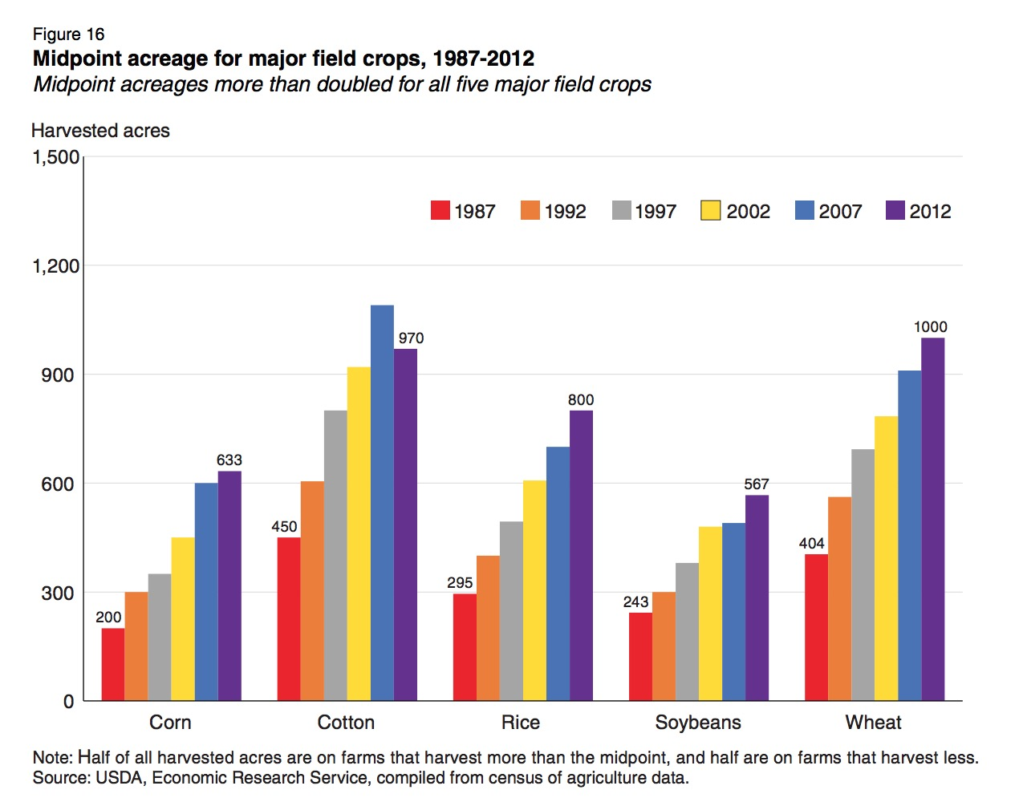
 | Corn | Cotton | Rice | Soybeans | Wheat
1987 | 200 | 450 | 295 | 243 | 404
1992 | 300 | 600 | 400 | 300 | 560
1997 | 325 | 800 | 500 | 375 | 690
2002 | 450 | 900 | 600 | 475 | 775
2007 | 600 | 1075 | 700 | 485 | 900
2012 | 633 | 970 | 800 | 567 | 1000

Cycle
 | Corn | Cotton | Rice | Soybeans | Wheat | Scatter
'87 | 200
'92 | 300
'97 | 325 |  |  |  |  | 1150
'02 | 450
'07 | 600
'12 | 633
'87 |  | 450
'92 |  | 600
'97 |  | 800 |  |  |  | 1150
'02 |  | 900
'07 |  | 1075
'12 |  | 970
'87 |  |  | 295
'92 |  |  | 400
'97 |  |  | 500 |  |  | 1150
'02 |  |  | 600
'07 |  |  | 700
'12 |  |  | 800
'87 |  |  |  | 243
'92 |  |  |  | 300
'97 |  |  |  | 375 |  | 1150
'02 |  |  |  | 475
'07 |  |  |  | 485
'12 |  |  |  | 567
'87 |  |  |  |  | 404
'92 |  |  |  |  | 560
'97 |  |  |  |  | 690 | 1150
'02 |  |  |  |  | 775
'07 |  |  |  |  | 900
'12 |  |  |  |  | 1000
 | Corn | Cotton | Rice | Soybeans | Wheat | Scatter
'87 | 200
'92 | 300
'97 | 325 |  |  |  |  | 1150
'02 | 450
'07 | 600
'12 | 633

'87 |  | 450
'92 |  | 600
'97 |  | 800 |  |  |  | 1150
'02 |  | 900
'07 |  | 1075
'12 |  | 970

'87 |  |  | 295
'92 |  |  | 400
'97 |  |  | 500 |  |  | 1150
'02 |  |  | 600
'07 |  |  | 700
'12 |  |  | 800

'87 |  |  |  | 243
'92 |  |  |  | 300
'97 |  |  |  | 375 |  | 1150
'02 |  |  |  | 475
'07 |  |  |  | 485
'12 |  |  |  | 567

'87 |  |  |  |  | 404
'92 |  |  |  |  | 560
'97 |  |  |  |  | 690 | 1150
'02 |  |  |  |  | 775
'07 |  |  |  |  | 900
'12 |  |  |  |  | 1000

Cycle (2)
 | Corn | Cotton | Rice | Soybeans | Wheat | Scatter
'87 | 404
'92 | 560
'97 | 690 |  |  |  |  | 1150
'02 | 775
'07 | 900
'12 | 1000
'87 |  | 450
'92 |  | 600
'97 |  | 800 |  |  |  | 1150
'02 |  | 900
'07 |  | 1075
'12 |  | 970
'87 |  |  | 295
'92 |  |  | 400
'97 |  |  | 500 |  |  | 1150
'02 |  |  | 600
'07 |  |  | 700
'12 |  |  | 800
'87 |  |  |  | 200
'92 |  |  |  | 300
'97 |  |  |  | 325 |  | 1150
'02 |  |  |  | 450
'07 |  |  |  | 600
'12 |  |  |  | 633
'87 |  |  |  |  | 243
'92 |  |  |  |  | 300
'97 |  |  |  |  | 375 | 1150
'02 |  |  |  |  | 475
'07 |  |  |  |  | 485
'12 |  |  |  |  | 567
 | Corn | Cotton | Rice | Soybeans | Wheat | Scatter
'87 | 404
'92 | 560
'97 | 690 |  |  |  |  | 1150
'02 | 775
'07 | 900
'12 | 1000

'87 |  | 450
'92 |  | 600
'97 |  | 800 |  |  |  | 1150
'02 |  | 900
'07 |  | 1075
'12 |  | 970

'87 |  |  | 295
'92 |  |  | 400
'97 |  |  | 500 |  |  | 1150
'02 |  |  | 600
'07 |  |  | 700
'12 |  |  | 800

'87 |  |  |  | 200
'92 |  |  |  | 300
'97 |  |  |  | 325 |  | 1150
'02 |  |  |  | 450
'07 |  |  |  | 600
'12 |  |  |  | 633

'87 |  |  |  |  | 243
'92 |  |  |  |  | 300
'97 |  |  |  |  | 375 | 1150
'02 |  |  |  |  | 475
'07 |  |  |  |  | 485
'12 |  |  |  |  | 567

